C3
R101
x_cor | y_cor
35 | 35
41 | 49
35 | 17
55 | 45
55 | 20
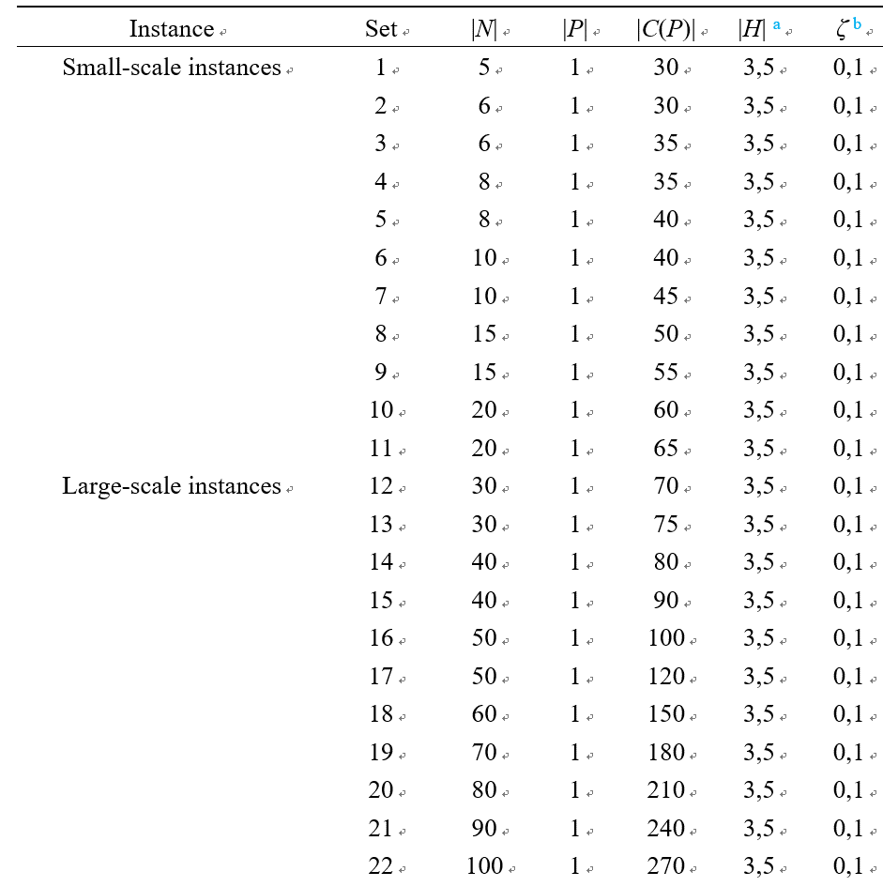
15 | 30
25 | 30
20 | 50
10 | 43
55 | 60
30 | 60
20 | 65
50 | 35
30 | 25
15 | 10
30 | 5
10 | 20
5 | 30
20 | 40
15 | 60
45 | 65
45 | 20
45 | 10
55 | 5
65 | 35
65 | 20
45 | 30
35 | 40
41 | 37
64 | 42
40 | 60
31 | 52
35 | 69 | Note that the |N| column inside the table represents the first few hospital coordinates of the test case (excluding the first node, which is the treatment plant)
53 | 52
65 | 55
63 | 65
2 | 60
20 | 20
5 | 5
60 | 12
40 | 25
42 | 7
24 | 12
23 | 3
11 | 14
6 | 38
2 | 48
8 | 56
13 | 52
6 | 68
47 | 47
49 | 58
27 | 43
37 | 31
57 | 29
63 | 23
53 | 12
32 | 12
36 | 26
21 | 24
17 | 34
12 | 24
24 | 58
27 | 69
15 | 77
62 | 77
49 | 73
67 | 5
56 | 39
37 | 47
37 | 56
57 | 68
47 | 16
44 | 17
46 | 13
49 | 11
49 | 42
53 | 43
61 | 52
57 | 48
56 | 37
55 | 54
15 | 47
14 | 37
11 | 31
16 | 22
4 | 18
28 | 18
26 | 52
26 | 35
31 | 67
15 | 19
22 | 22
18 | 24
26 | 27
25 | 24
22 | 27
25 | 21
19 | 21
20 | 26
18 | 18

